OFFER
 |  |  |  |  |  |  |  |  |  |  |  |  |  |  |  | Women |  |  |  |  |  |  |  |  |  |  | 35.5 | 36 | 36.5 | 37 | 38 | 38.5 | 39 | 40 | 40.5 | 41 | 42 | 42.5 | 43 | 44
PHOTOS | PHOTOS | MODEL | COLOR | SEASON | COLOR DESCRIPTION | DESC. | SUPPL. CATEGORY | SUPPL. DESCRIPTION | COMP. | COMP. | PARENT GROUP | GENDER | MADE IN | WHS | RRP | QTY | XXS | XS | S | M | L | XL | XXL | XXXL | S/M | LXL | 3 | 3- | 4 | 4- | 5 | 5- | 6 | 6- | 7 | 7- | 8 | 8- | 9 | 9- | 10 | 10- | 11 | 11- | 12 | 12-
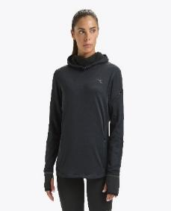 | 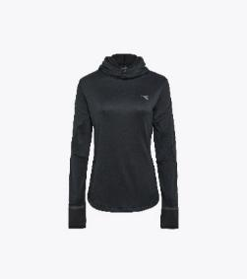 | 102179618 | 80013 | FW | BLACK | SWEATSHIRT | L. WARM UP WINTER PROTECTION | SWEATERS | 94% POLYESTER 6% ELASTAN | 80% POLYESTER 20% ELASTAN | ADULT | FEMALE | CHINA | €45.00 | €112.50 | 18 |  | 3 | 6 | 6 | 1 | 2
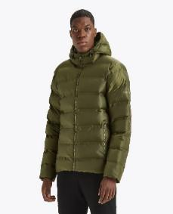 | 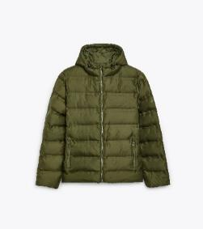 | 502181312 | 70449 | FW | WINTER MOSS | SWEATSHIRT | HOODIE INSULATED JACKET | JACKETS | 100% POLYESTER | NO DATA | ADULT | MALE | CHINA | €59.10 | €147.75 | 12 |  |  | 1 | 2 | 3 | 1 | 5
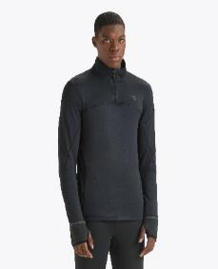 | 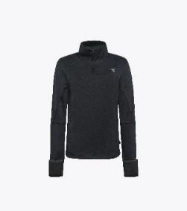 | 102179628 | 80013 | FW | BLACK | SWEATSHIRT | WARM UP WINTER PROTECTION | SWEATERS | 94% POLYESTER 6% ELASTAN | 80% POLYESTER 20% ELASTAN | ADULT | MALE | CHINA | €45.00 | €112.50 | 21 |  |  | 6 |  |  | 7 | 6 | 2
 |  | 102180933 | 25159 | FW | SOLITARY STAR | SWEATSHIRT | HOODIE ESS. SPORTS | SWEATERS | 80% COTTON 20% POLYESTER | NO DATA | ADULT | MALE | BANGLADESH | €22.80 | €57.00 | 30 |  |  | 6 | 11 | 9 | 4
 |  | 102180933 | 80013 | FW | BLACK | SWEATSHIRT | HOODIE ESS. SPORTS | SWEATERS | 80% COTTON 20% POLYESTER | NO DATA | ADULT | MALE | BANGLADESH | €22.80 | €57.00 | 39 |  |  | 8 | 14 | 12 | 5
 |  | 102180934 | 25159 | FW | SOLITARY STAR | SWEATSHIRT | SWEATSHIRT CREW ESS. SPORTS | SWEATERS | 80% COTTON 20% POLYESTER | NO DATA | ADULT | MALE | BANGLADESH | €20.50 | €51.25 | 50 |  |  | 9 | 17 | 16 | 8
 |  | 102180934 | 70470 | FW | AVENTURINE | SWEATSHIRT | SWEATSHIRT CREW ESS. SPORTS | SWEATERS | 80% COTTON 20% POLYESTER | NO DATA | ADULT | MALE | BANGLADESH | €20.50 | €51.25 | 6 |  |  | 1 | 2 | 2 | 1
 |  | 102180934 | 80013 | FW | BLACK | SWEATSHIRT | SWEATSHIRT CREW ESS. SPORTS | SWEATERS | 80% COTTON 20% POLYESTER | NO DATA | ADULT | MALE | BANGLADESH | €20.50 | €51.25 | 6 |  |  | 1 | 2 | 2 | 1
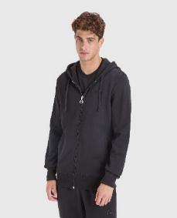 | 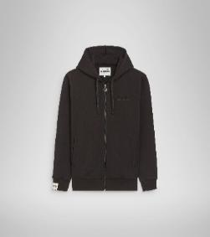 | 502180085 | 80013 | FW | BLACK | SWEATSHIRT | HOODIE FZ MII | SWEATERS | 100% COTTON | NO DATA | ADULT | MALE | ITALY | €38.70 | €96.75 | 7 |  |  |  |  | 1 | 6
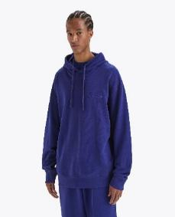 | 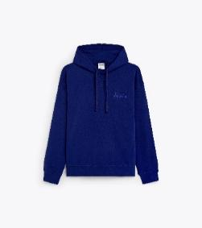 | 502179388 | 60013 | SS | BLUE PRINT | SWEATSHIRT | HOODIE SPW LOGO | SWEATERS | 100% COTTON | NO DATA | ADULT | UNISEX | TURKEY | €31.90 | €79.75 | 13 | 1 | 3 | 1 | 3 | 1 | 2 | 1 | 1
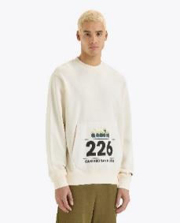 | 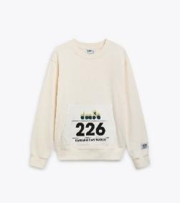 | 502180390 | 20009 | SS | WHISPER WHITE | SWEATSHIRT | SWEATSHIRT CREW G.D. 1984 (226) | SWEATERS | 100% COTTON | NO DATA | ADULT | UNISEX | TURKEY | €29.60 | €74.00 | 40 |  | 1 | 6 | 13 | 11 | 5 | 3 | 1
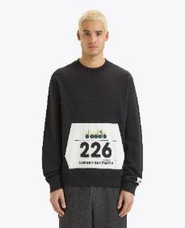 | 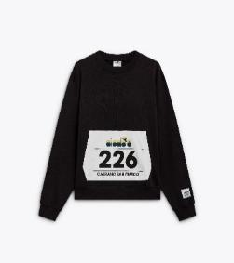 | 502180390 | 80013 | SS | BLACK | SWEATSHIRT | SWEATSHIRT CREW G.D. 1984 (226) | SWEATERS | 100% COTTON | NO DATA | ADULT | UNISEX | TURKEY | €29.60 | €74.00 | 39 |  | 1 | 6 | 13 | 11 | 5 | 2 | 1
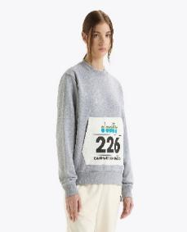 | 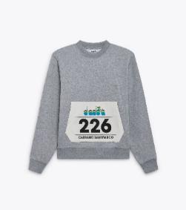 | 502180390 | D0541 | SS | HIGH RISE MELANGE | SWEATSHIRT | SWEATSHIRT CREW G.D. 1984 (226) | SWEATERS | 100% COTTON | NO DATA | ADULT | UNISEX | TURKEY | €29.60 | €74.00 | 38 |  | 1 | 6 | 12 | 11 | 5 | 2 | 1
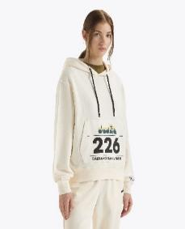 | 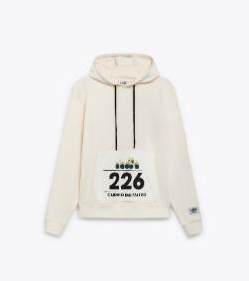 | 502180424 | 20009 | SS | WHISPER WHITE | SWEATSHIRT | HOODIE G.D. 1984 (226) | SWEATERS | 100% COTTON | NO DATA | ADULT | UNISEX | TURKEY | €31.90 | €79.75 | 44 |  | 2 | 7 | 14 | 12 | 5 | 3 | 1
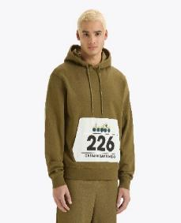 | 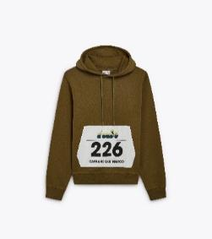 | 502180424 | 70429 | SS | KIWI GREEN | SWEATSHIRT | HOODIE G.D. 1984 (226) | SWEATERS | 100% COTTON | NO DATA | ADULT | UNISEX | TURKEY | €31.90 | €79.75 | 44 |  | 2 | 13 | 8 | 12 | 5 | 3 | 1
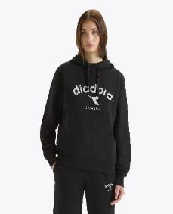 | 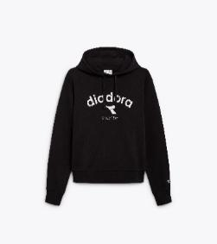 | 502180633 | 80013 | FW | BLACK | SWEATSHIRT | HOODIE ATHL. LOGO | SWEATERS | 80% COTTON 20% POLYESTER | NO DATA | ADULT | UNISEX | TURKEY | €27.30 | €68.25 | 50 | 1 | 10 | 18 | 12 | 3 | 6
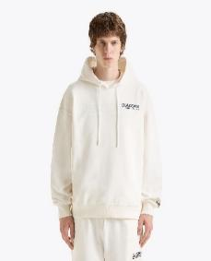 | 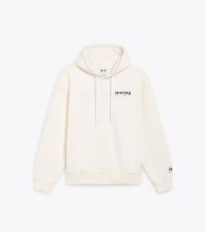 | 502180978 | 20039 | FW | WHITE ALYSSUM | SWEATSHIRT | HOODIE LEGACY | SWEATERS | 100% COTTON | NO DATA | ADULT | UNISEX | ITALY | €45.90 | €114.75 | 50 | 2 | 1 | 12 | 22 | 8 | 5
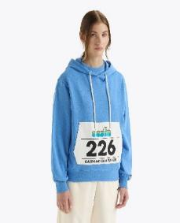 | 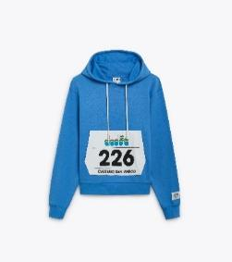 | 502180424 | 65221 | SS | PACIFIC COAST | SWEATSHIRT | HOODIE G.D. 1984 (226) | SWEATERS | 100% COTTON | NO DATA | ADULT | UNISEX | TURKEY | €31.90 | €79.75 | 24 | 7 | 2 | 5 | 1 | 4 |  |  | 5
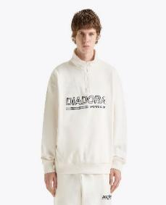 | 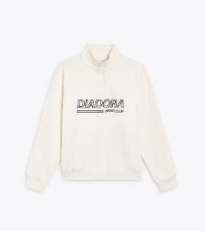 | 502180979 | 20039 | FW | WHITE ALYSSUM | SWEATSHIRT | SWEATSHIRT 1/2 ZIP LEGACY | SWEATERS | 100% COTTON | 100% POLYESTER | ADULT | UNISEX | ITALY | €41.70 | €104.25 | 64 | 1 |  | 16 | 23 | 15 | 9
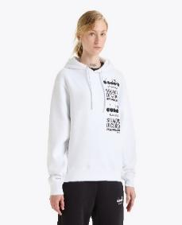 | 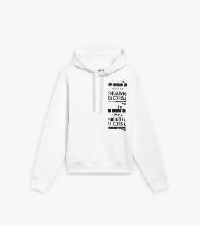 | 502180985 | 20002 | FW | OPTICAL WHITE | SWEATSHIRT | HOODIE SQDC | SWEATERS | 100% RECYCLED COTTON | NO DATA | ADULT | UNISEX | TURKEY | €34.10 | €85.25 | 10 |  |  | 4 | 4 | 2
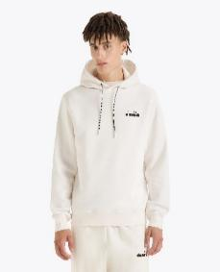 | 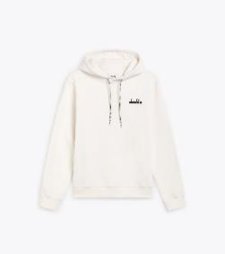 | 502180990 | 20039 | FW | WHITE ALYSSUM | SWEATSHIRT | HOODIE ROUTE | SWEATERS | 80% RECYCLED COTTON 20% POLYESTER | NO DATA | ADULT | UNISEX | BANGLADESH | €29.60 | €74.00 | 20 |  |  | 6 | 12 | 2
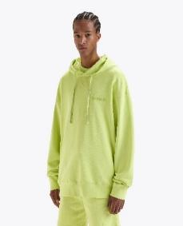 | 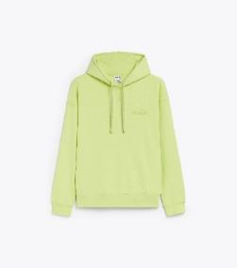 | 502179388 | 70314 | SS | DARK LIME GREEN | SWEATSHIRT | HOODIE SPW LOGO | SWEATERS | 100% COTTON | NO DATA | ADULT | UNISEX | TURKEY | €31.90 | €79.75 | 24 | 2 | 3 | 6 | 3 | 2 | 2 | 3 | 3
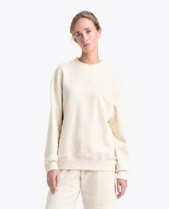 | 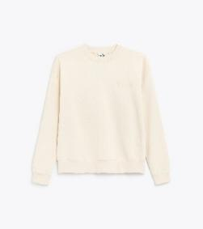 | 502179389 | 25014 | SS | WHITE SWAN | SWEATSHIRT | SWEATSHIRT CREW SPW LOGO | SWEATERS | 100% COTTON | NO DATA | ADULT | UNISEX | TURKEY | €29.60 | €74.00 | 27 | 2 | 2 | 2 | 4 | 6 | 6 | 2 | 3
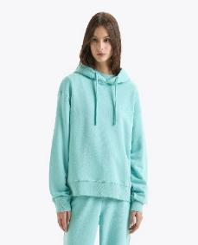 | 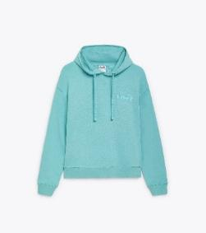 | 502179924 | 65135 | FW | TURQUOISE (65135) | SWEATSHIRT | HOODIE ATHL. LOGO | SWEATERS | 50% COTTON 50 % POLYESTER | NO DATA | ADULT | UNISEX | TURKEY | €27.30 | €68.25 | 10 |  |  | 3 | 1 | 2 | 2 | 2
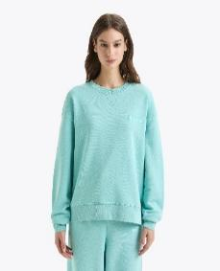 | 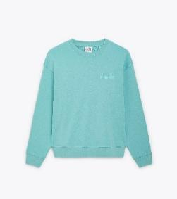 | 502179925 | 65135 | FW | TURQUOISE (65135) | SWEATSHIRT | SWEATSHIRT CREW ATHL. LOGO | SWEATERS | 50% COTTON 50 % POLYESTER | NO DATA | ADULT | UNISEX | TURKEY | €25.00 | €62.50 | 11 |  |  | 3 | 3 | 3 |  | 2
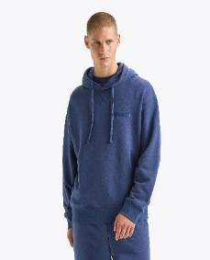 | 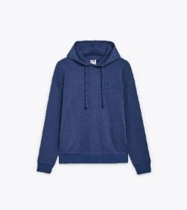 | 502179924 | 60145 | FW | OCEANA | SWEATSHIRT | HOODIE ATHL. LOGO | SWEATERS | 50% COTTON 50 % POLYESTER | NO DATA | ADULT | UNISEX | TURKEY | €27.30 | €68.25 | 8 |  |  | 2 |  | 2 | 1 | 3
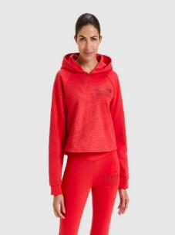 | 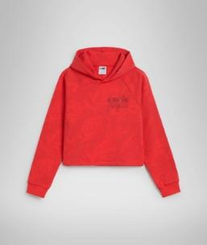 | 502178413 | 45028 | SS | POPPY RED | SWEATSHIRT | SWEATERS | L. HOODIE CROP MANIFESTO | 100% COTTON | NO INFO | ADULT | FEMALE | ITALY | €34.10 | €68.20 | 18 |  | 7 | 2 | 4 | 3 | 2
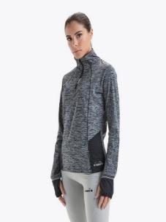 | 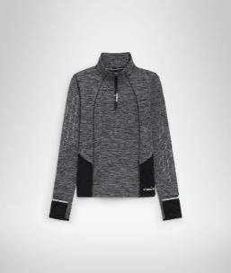 | 102178516 | 80013 | FW | BLACK | SWEATSHIRT | SWEATERS | L. WARM UP WINTER SWEAT BE ONE | 90% POLYESTER 10% ELASTANE | NO INFO | ADULT | FEMALE | CHINA | €35.00 | €70.00 | 36 |  | 5 | 8 | 14 | 9
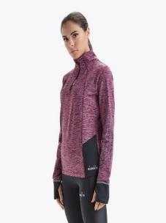 | 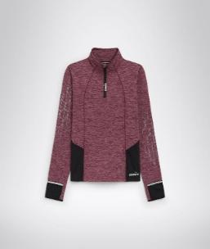 | 102178516 | 55087 | FW | VIOLET PORT ROYALE | SWEATSHIRT | SWEATERS | L. WARM UP WINTER SWEAT BE ONE | 90% POLYESTER 10% ELASTANE | NO INFO | ADULT | FEMALE | CHINA | €35.00 | €70.00 | 9 |  | 3 | 3 |  | 3
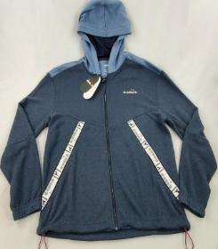 | 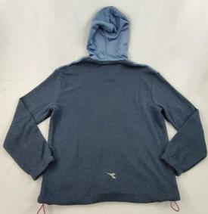 | 102176176 | 60063 | FW | BLUE CORSAIR | SWEATSHIRT | SWEATERS | HD ZIP SWEAT BE ONE | SHELL: 100% POLYESTER | INSERT: 90% POLYESTER 10% ELASTAN | ADULT | MALE | CHINA | €32.50 | €65.00 | 53 |  |  | 8 | 13 | 13 | 13 | 6
 |  | 102176176 | 80013 | FW | BLACK | SWEATSHIRT | SWEATERS | HD ZIP SWEAT BE ONE | SHELL: 100% POLYESTER | INSERT: 90% POLYESTER 10% ELASTAN | ADULT | MALE | CHINA | €32.50 | €65.00 | 59 |  |  | 17 | 23 | 18 | 1
 |  | 102178520 | 60039 | FW | TURKISH SEA | SWEATSHIRT | SWEATERS | WARM UP WINTER SWEAT BE ONE | 90% POLYESTER 10% ELASTANE | NO INFO | ADULT | MALE | CHINA | €35.00 | €70.00 | 12 |  |  | 5 | 3 | 4
 |  | 102175708 | 60011 | SS | BLUE REGISTA | SWEATSHIRT | ABBIGLIAMENTO | HD SWEAT BE ONE | SHELL: 60% COTTON 40% POLYESTER | NO INFO | ADULT | MALE | CHINA | €30.00 | €60.00 | 16 |  |  | 15 |  |  | 1
 |  | 102175708 | 20002 | SS | OPTICAL WHITE | SWEATSHIRT | ABBIGLIAMENTO | HD SWEAT BE ONE | SHELL: 60% COTTON 40% POLYESTER | NO INFO | ADULT | MALE | CHINA | €30.00 | €60.00 | 4 |  |  | 4
 |  | 502179482 | 30158 | NO INFO | BROWN PURPLE | SWEATSHIRT | MAGLIA FELPA JERSEY | 2MPO T2 M SPORTSWEAR | 100% COTTON | NO INFO | ADULT | UNISEX | ITALY | €36.40 | €72.80 | 33 |  | 5 | 6 | 7 | 9 | 6
 |  | 502179481 | 55115 | FW | AFRICAN VIOLET | SWEATSHIRT | SWEATERS | HOODIE MANIFESTO | 100% COTTON | NO INFO | ADULT | UNISEX | ITALY | €38.70 | €77.40 | 1 |  |  |  |  | 1
 |  | 502179482 | 60108 | NO INFO | BLUE PACIFIC | SWEATSHIRT | MAGLIA FELPA JERSEY | 2MPO T2 M SPORTSWEAR | 100% COTTON | NO INFO | ADULT | UNISEX | ITALY | €36.40 | €72.80 | 3 |  | 2 | 1
 |  | 102178953 | 80013 | FW | BLACK | T-SHIRT | T-SHIRTERIA/TOP | L. SS T-SHIRT BE ONE FT | 88% POLYESTER 12% ELASTANE | NO INFO | ADULT | FEMALE | CHINA | €20.00 | €40.00 | 19 |  | 4 | 2 | 4 | 6 | 3
 |  | 502178412 | 65089 | SS | SKY BLUE INTENSE | T-SHIRT | T-SHIRTERIA/TOP | L. T-SHIRT SS CROP MANIFESTO | 100% COTTON | NO INFO | ADULT | FEMALE | ITALY | €16.00 | €32.00 | 7 |  |  |  | 4 | 3
 |  | 102172883 | 80013 | FW | BLACK | T-SHIRT | L.X-RUN SS T-SHIRT | T-SHIRTERIA/TOP | 100% POLYESTER | NO DATA | ADULT | FEMALE | CHINA | €8.50 | €21.25 | 245 |  | 9 | 74 | 79 | 74 | 9
 |  | 102179147 | 80013 | SS | BLACK | T-SHIRT | L. SUPER LIGHT SS T-SHIRT BE ONE | T-SHIRTERIA/TOP | 82% POLYESTER 18% ELASTAN | NO DATA | ADULT | FEMALE | CHINA | €21.00 | €52.50 | 7 |  | 1 | 2 | 3 | 1
 |  | 102172883 | 45053 | FW | RED FLAME | T-SHIRT | L.X-RUN SS T-SHIRT | T-SHIRTERIA/TOP | 100% POLYESTER | NO DATA | ADULT | FEMALE | CHINA | €8.50 | €21.25 | 50 |  | 10 |  | 30 |  | 10
 |  | 102179485 | 20002 | SS | OPTICAL WHITE | T-SHIRT | T-SHIRT SS CORE | T-SHIRTERIA/TOP | 100% COTTON | NO DATA | ADULT | MALE | BANGLADESH | €8.70 | €21.75 | 33 | 7 |  |  | 6 | 4 | 4 | 7 | 5
 |  | 102179485 | 60062 | SS | CLASSIC NAVY | T-SHIRT | T-SHIRT SS CORE | T-SHIRTERIA/TOP | 100% COTTON | NO DATA | ADULT | MALE | BANGLADESH | €8.70 | €21.75 | 68 | 5 | 3 | 19 | 17 | 13 | 6 | 5
 |  | 102179485 | 80013 | SS | BLACK | T-SHIRT | T-SHIRT SS CORE | T-SHIRTERIA/TOP | 100% COTTON | NO DATA | ADULT | MALE | BANGLADESH | €8.70 | €21.75 | 49 | 5 |  | 29 |  |  |  |  | 15
 |  | 102179759 | 60062 | SS | CLASSIC NAVY | T-SHIRT | T-SHIRT SS CORE | T-SHIRTERIA/TOP | 100% COTTON | NO DATA | ADULT | MALE | BANGLADESH | €10.00 | €25.00 | 53 | 3 |  | 7 | 15 | 14 | 6 | 8
 |  | 102179485 | 45012 | SS | CAYENNE RED | T-SHIRT | T-SHIRT SS CORE | T-SHIRTERIA/TOP | 100% COTTON | NO DATA | ADULT | MALE | BANGLADESH | €8.70 | €21.75 | 46 |  |  | 7 | 14 | 13 | 6 | 6
 |  | 102179759 | 45012 | SS | CAYENNE RED | T-SHIRT | T-SHIRT SS CORE | T-SHIRTERIA/TOP | 100% COTTON | NO DATA | ADULT | MALE | BANGLADESH | €10.00 | €25.00 | 56 |  |  | 8 | 15 | 16 | 7 | 10
 |  | 102181183 | D0211 | FW | LIGHT MIDDLE GRAY MELANGE | T-SHIRT | T-SHIRT SS ESS. SPORTS III | T-SHIRTERIA/TOP | 100% COTTON | NO DATA | ADULT | MALE | BANGLADESH | €11.40 | €28.50 | 10 | 1 | 1 |  | 1 | 6 |  | 1
 |  | 102180177 | 40076 | SS | KUMQUAT | T-SHIRT | SS T-SHIRT RUN | T-SHIRTERIA/TOP | 100% POLYESTER | NO DATA | ADULT | MALE | CHINA | €12.50 | €31.25 | 21 |  |  | 1 |  | 5 | 10 | 5
 |  | 102180935 | 25159 | FW | SOLITARY STAR | T-SHIRT | T-SHIRT SS ESS. SPORTS I | T-SHIRTERIA/TOP | 100% COTTON | NO DATA | ADULT | MALE | BANGLADESH | €11.40 | €28.50 | 6 |  |  |  | 1 | 3 | 1 | 1
 |  | 502178994 | 20002 | FW | OPTICAL WHITE | T-SHIRT | T-SHIRT SS URBANITY | T-SHIRTERIA/TOP | 60% COTTON 40% POLYESTER | NO DATA | ADULT | MALE | CHINA | €16.00 | €40.00 | 8 |  |  | 2 | 2 | 3 |  | 1
 |  | 502178994 | 80013 | FW | BLACK | T-SHIRT | T-SHIRT SS URBANITY | T-SHIRTERIA/TOP | 60% COTTON 40% POLYESTER | NO DATA | ADULT | MALE | CHINA | €16.00 | €40.00 | 6 |  |  | 1 | 2 | 2 | 1
 |  | 102181183 | 60062 | FW | CLASSIC NAVY | T-SHIRT | T-SHIRT SS ESS. SPORTS III | T-SHIRTERIA/TOP | 100% COTTON | NO DATA | ADULT | MALE | BANGLADESH | €11.40 | €28.50 | 2 | 1 | 1
 |  | 102181183 | 70470 | FW | AVENTURINE | T-SHIRT | T-SHIRT SS ESS. SPORTS III | T-SHIRTERIA/TOP | 100% COTTON | NO DATA | ADULT | MALE | BANGLADESH | €11.40 | €28.50 | 2 | 1 | 1
 |  | 502180423 | 65221 | SS | PACIFIC COAST | T-SHIRT | T-SHIRT SS G.D. 1984 (226) | T-SHIRTERIA/TOP | 100% COTTON | NO DATA | ADULT | UNISEX | TURKEY | €16.00 | €40.00 | 79 | 4 | 9 | 10 | 15 | 19 | 13 | 6 | 3
 |  | 502180423 | 20009 | SS | WHISPER WHITE | T-SHIRT | T-SHIRT SS G.D. 1984 (226) | T-SHIRTERIA/TOP | 100% COTTON | NO DATA | ADULT | UNISEX | TURKEY | €16.00 | €40.00 | 21 | 6 | 6 |  |  | 7 | 1 |  | 1
 |  | 502180423 | 70429 | SS | KIWI GREEN | T-SHIRT | T-SHIRT SS G.D. 1984 (226) | T-SHIRTERIA/TOP | 100% COTTON | NO DATA | ADULT | UNISEX | TURKEY | €16.00 | €40.00 | 77 | 14 | 12 | 15 | 9 | 16 | 7 | 4
 |  | 502180665 | 60145 | SS | OCEANA | T-SHIRT | T-SHIRT SS LOGO | T-SHIRTERIA/TOP | 100% COTTON | NO DATA | ADULT | UNISEX | ITALY | €11.40 | €28.50 | 33 |  |  | 3 | 11 | 7 | 6 | 6
 |  | 502180665 | 70109 | SS | NEON GREEN | T-SHIRT | T-SHIRT SS LOGO | T-SHIRTERIA/TOP | 100% COTTON | NO DATA | ADULT | UNISEX | ITALY | €11.40 | €28.50 | 29 |  | 4 | 3 | 7 | 11 | 4
 |  | 502180665 | 80013 | SS | BLACK | T-SHIRT | T-SHIRT SS LOGO | T-SHIRTERIA/TOP | 100% COTTON | NO DATA | ADULT | UNISEX | ITALY | €11.40 | €28.50 | 43 |  |  | 3 | 11 | 13 | 7 | 9
 |  | 502180665 | 45027 | SS | BITTERSWEET RED | T-SHIRT | T-SHIRT SS LOGO | T-SHIRTERIA/TOP | 100% COTTON | NO DATA | ADULT | UNISEX | ITALY | €11.40 | €28.50 | 13 |  |  | 1 |  | 3 | 2 | 5 | 2
 |  | 502180662 | 45027 | FW | BITTERSWEET RED | POLO | POLO SS LOGO | T-SHIRTERIA/TOP | 100% COTTON | NO DATA | ADULT | MALE | ITALY | €18.20 | €45.50 | 3 |  |  |  |  |  | 1 | 1 | 1
 |  | 102178097 | 80013 | SS | BLACK | POLO | T-SHIRTERIA/TOP | SS POLO ICON | OUTER FABRIC: 88% POLYESTER 12% ELASTANE | SLEEVE INSERT: 90% POLYESTER 10% ELASTAN | ADULT | MALE | CHINA | €25.00 | €50.00 | 35 |  |  | 4 | 10 | 8 | 9 | 4
 |  | 102178531 | 90001 | FW | SILVER METALIZED | T-SHIRT LONG SLEEVE | T-SHIRTERIA/TOP | L. LS CORE TEE | 100% POLYESTER | NO INFO | ADULT | FEMALE | CHINA | €12.00 | €24.00 | 17 |  | 5 | 6 | 4 | 2
 |  | 102178532 | 60039 | FW | TURKISH SEA | T-SHIRT LONG SLEEVE | T-SHIRTERIA/TOP | LS CORE TEE | 100% POLYESTER | NO INFO | ADULT | MALE | CHINA | €12.00 | €24.00 | 8 |  |  | 1 | 2 | 3 | 2
 |  | 102178530 | 60039 | FW | TURKISH SEA | T-SHIRT LONG SLEEVE | ABBIGLIAMENTO | LS SKIN FRIENDLY T-SHIRT | 75% POLYAMIDE 25% POLYPROPYLENE | NO INFO | ADULT | MALE | ITALY | €24.50 | €49.00 | 10 |  |  |  |  |  |  | 3 |  |  | 7
 |  | 102178530 | 80013 | FW | BLACK | T-SHIRT LONG SLEEVE | ABBIGLIAMENTO | LS SKIN FRIENDLY T-SHIRT | 75% POLYAMIDE 25% POLYPROPYLENE | NO INFO | ADULT | MALE | ITALY | €24.50 | €49.00 | 11 |  |  |  |  |  |  |  |  | 11
 |  | 102179324 | 60062 | SS | CLASSIC NAVY | TANK TOP | L. TANK TWEENER | T-SHIRTERIA/TOP | 100% COTTON | NO DATA | ADULT | FEMALE | BANGLADESH | €10.50 | €26.25 | 14 |  | 2 | 4 | 3 | 4 | 1
 |  | 102181991 | 50204 | FW | PINK NECTAR | TRACKSUIT | L. TRACKSUIT HD FZ | TUTE | 80% COTONE ORG 20% POLIESTERE RICICLATO | NO DATA | ADULT | FEMALE | BANGLADESH | €31.90 | €79.75 | 6 |  | 1 | 2 | 2 | 1
 |  | 102180946 | 60062 | FW | CLASSIC NAVY | SPORT SUIT | TRACKSUIT FZ (PL) | TUTE | 100% POLYESTER | NO DATA | ADULT | MALE | CHINA | €25.00 | €62.50 | 20 |  |  | 2 | 4 | 4 | 4 | 4 | 2
 |  | 102180946 | 80013 | FW | BLACK | SPORT SUIT | TRACKSUIT FZ (PL) | TUTE | 100% POLYESTER | NO DATA | ADULT | MALE | CHINA | €25.00 | €62.50 | 55 |  |  | 4 | 10 | 12 | 15 | 9 | 5
 |  | 102179638 | 80013 | SS | BLACK | VEST | L. PACKABLE VEST | JACKETS | 100% POLYAMID | 100% POLYESTER | ADULT | FEMALE | CHINA | €27.50 | €68.75 | 13 |  |  | 6 | 6 | 1
...

